Definitions
QUALIFIED RESEARCH ACTIVITIES

a. In General
In order for an activity to qualify for the research credit, the taxpayer must show that it meets all the requirements as described in section 41(d). Under section 41(d), the term "qualified research" means research:

1. With respect to which expenditures may be treated as expenses under section 174, (also known as the section 174 test);
2. Which is undertaken for the purpose of discovering information which is technological in nature, (also known as the discovering technological information test);
3. The application of which is intended to be useful in the development of a new or improved business component of the taxpayer (also known as the business component test); and
5. Substantially all of the activities of which constitutes elements of a process of experimentation for a qualified purpose (also known as the process of experimentation test).

To be considered “qualified research”, the taxpayer must be able to establish that the research activity being performed meets ALL four of the above tests.11 These tests must be applied separately to each business component of the taxpayer. Activities listed in section 41(d)(4) are not qualified research. Infra.

https://www.irs.gov/businesses/audit-techniques-guide-credit-for-increasing-research-activities-i-e-research-tax-credit-irc-41-qualified-research-activities

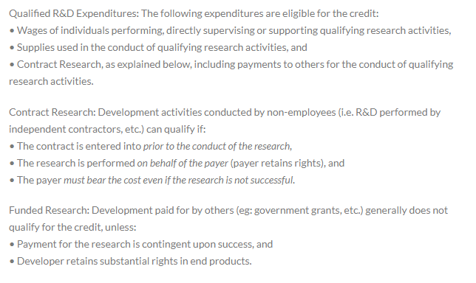

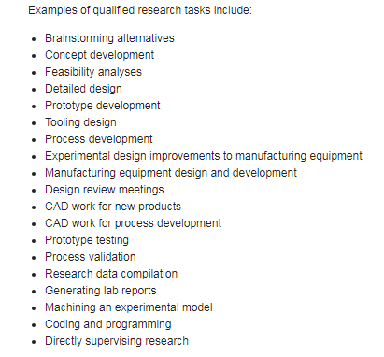

QUALIFIED SUPPLIES
Either tangible personal property, extraordinary utilities, or computer or server leasing expenses. They aren’t capital items or general administrative supplies.

